Sheet1
 | Document No. |  | Issue No. | Issue Date |  |  | Review and Replace Date |  | Authorised By
 | GFF134MC |  | 2 | 28.10.2019 |  |  | 08.10.2020
 | Document Title |  | 12 CAMEMBERT BITE 240g
 | Tray changed to clear |  |  |  |  | Page |  | 1 of 1 | Magda Shah
Document amendments reason for change |  |  |  |  |  | Previous Issue Date |  | 28.10.2019 | Uncontrolled copy unless signed original

CVBCB-R1TEB |  | BOOTHS - XMAS |  |  | 12 CAMEMBERT BITE 240g
STEP 1 |  |  |  | STEP 2
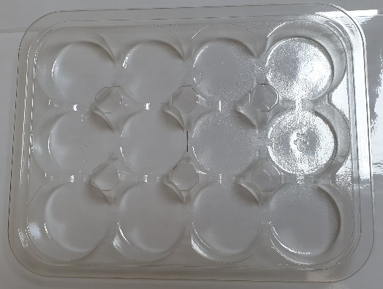 |  |  |  | 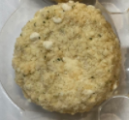

Tray: C5-12CAV-RND - Clear (PKHOL001-06) |  |  |  | 12 x Camembert Bites (RMCGM001-01) 20g
Film: ME410A Antifog WELD seal (PKPRO001-12) (PROMENS)
STEP 3 |  |  |  |  |  | STEP 4
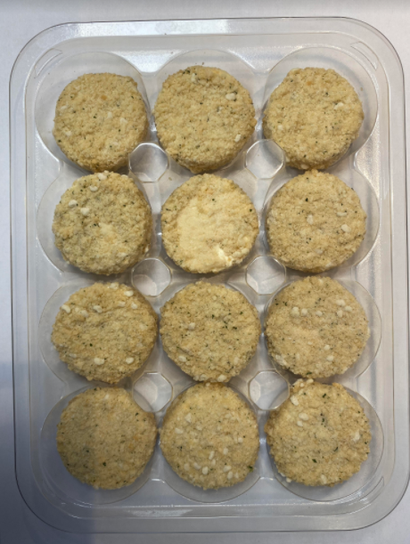

DEFROST DAY + 10 DAYS

Total Weight: 240g

ALLERGY ALERT: BARLEY, MILK, WHEAT

